Sheet1
Duplicate Photo Cleaner - Windows User Manual - Collated Review Comments

No. | Pavel's Comments | David's Remarks / Action | Resolution | Status | isApproved? | Reason for Rejection | Yes
1 | 1. We need to replace a low-res DPC image with a high-res equivalent. @Pierre, could you please help with this? | Will help from Thuy, this has been incoporated | RESOLVED | FIXED |  |  | No
2 | 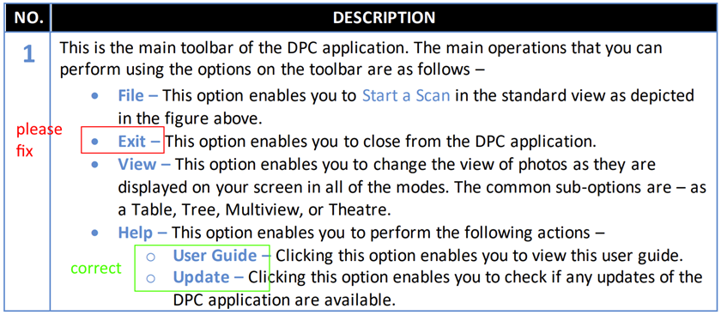 Since the "Exit" submenu is not at the same level as "File", "View" and "Help", please change its level to be child of "File" menu (as you did for "User Guide" and "Update"). | I have this duly as per your comments and explained each option in one or more sentences. Here I have added a Reference to the Enter a New Key section which is accessed using Help > About. | RESOLVED | FIXED
3 | We need more information. For example, we need to explain what a duplicate group is, what an original file is and what duplicates are, why it is important to keep at least one file in a group, etc. | I have explained this duly as per your detailed comments as they were very clear and simple. Let me know if you are okay with this description. Please do not hesitate to share improvements in case you still have any with reference to this point. | RESOLVED | FIXED
4 | We need more information. Ideally, screenshots showing how reverse selection works with and without this option enabled. | I have explained this duly as per your detailed comments as they were very clear and simple. Let me know if you are okay with this description. Please do not hesitate to share improvements in case you still have any with reference to this point. | RESOLVED | FIXED
5 | This is absolutely wrong description. We need to re-write it. Here are some details: If this option is disabled, each automatic selection will "overwrite" the previous one by clearing the selection and applying the new selection. If this option is enabled, each auto-selection will complement the previous one (selection will not be cleared) I think we also need screenshots here showing how this option works. Please try it yourself by following steps below: 1. Turn OFF the cumulative selection. 2. Choose “select duplicates” 3. Check results (duplicates are selected, originals are not selected) 4. Choose “select originals” 5. Check results (duplicates are not selected, originals are selected) 6. Clear selection 7. Turn ON the cumulative selection. 8. Choose “select duplicates” 9. Check results (duplicates are selected, originals are not selected) 10. Choose “select originals” 11. Check results (both duplicates and originals are selected) | I have explained this duly as per your detailed comments as they were very clear and simple. Let me know if you are okay with this description. Please do not hesitate to share improvements in case you still have any with reference to this point. | RESOLVED | FIXED
6 | We need more information here. Setting the bitmap size to less than 128x128 may be useful when comparing small images that are smaller than 128x128px. | I have explained this duly as per your detailed comments as they were very clear and simple. Let me know if you are okay with this description. Please do not hesitate to share improvements in case you still have any with ereference to this point. | RESOLVED | FIXED
7 | We need more information here. This option allows DPC to analyze and remove empty folders while removing duplicate files. For example, if a deletion deleted all files in a specific folder, this setting determines whether DPC should also delete the folder itself. | I have explained this duly as per your detailed comments as they were very clear and simple. Let me know if you are okay with this description. Please do not hesitate to share improvements in case you still have any with reference to this point. | RESOLVED | FIXED
8 | We need more information here. This option greatly speeds up scanning by allowing DPC to analyze small embedded EXIF thumbnails instead of the entire full resolution image. Please add information about what embedded thumbnails are (information about EXIF thumbnails can be found on the Internet) | I have explained this duly as per your detailed comments as they were very clear and simple. Let me know if you are okay with this description. Please do not hesitate to share improvements in case you still have any with reference to this point. | RESOLVED | FIXED
9 | We need more information here. Please note that the resolution in this case is not DPI, but the width х height value. | I have explained this duly as per your detailed comments as they were very clear and simple. Let me know if you are okay with this description. Please do not hesitate to share improvements in case you still have any with reference to this point. | RESOLVED | FIXED
10 | We need more information here. At the very least, we need to explain what a "tag" is and how to tag images (Windows Explorer -> File Properties -> Details -> Tags). | I have explained this duly as per your detailed comments as they were very clear and simple. I also researchedd the internet and got information to understand the tags feature. Let me know if you are okay with this description. Please do not hesitate to share improvements in case you still have any with reference to this point. | RESOLVED | FIXED
11 | We need more information here. We need to explain what the original name is. This is the shortest file name among similar file names in a group. For example, if we have a group of files “A.jpg”, “A (1).jpg” and “A – Copy.jpg” then the original name is “A.jpg”. | I have explained this duly as per your detailed comments as they were very clear and simple. Let me know if you are okay with this description. Please do not hesitate to share improvements in case you still have any with reference to this point. | RESOLVED | FIXED
12 | We need more information here. At the very least, we need to show what the results look like in HTML format (the file names are clickable for a quick preview). | I have explained this duly as per your detailed comments as they were very clear and simple. I also treated other export similarly for the sake of consistency. Hope that is okay with you. Let me know if you are okay with this description as a whole. Please do not hesitate to share improvements in case you still have any with reference to this point. | RESOLVED | FIXED
13 | We need to explain how this option is different from the others | I have explained this duly as per your detailed comments as they were very clear and simple. Let me know if you are okay with this description. Please do not hesitate to share improvements in case you still have any with reference to this point. | RESOLVED | FIXED
14 | Chapter 4 is a duplicate of Chapter 3.2; We need to completely rewrite it to explain how the "I have a license key" option in the "Register Now" popup works. Additionally, we need to tell users what they can activate using the Activate button in the bottom left corner of the window. This is the second time I’m requesting these changes. | I have handled this in a very detailed fashion keeping in mind a ll use cases in mind. 1. Chapter 2, the table describes label 3 briefly, discusses the 10-item clean limitation, and also includes reference to Registration and Activation sections. 2. Section 3.2 describes the registration process in detail and also includes process steps of the radio button flip which I have described adequately. 3. Chapter 4 specifically deals with Activatation of a license key does not describe registration. The idea here is to Keep it Simple & Stupid basis the KISS principle. Let me know if you are okay with this description. Please do not hesitate to share improvements in case you still have any with reference to this point. | RESOLVED | FIXED
15 | 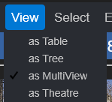 You forgot to describe the view modes. We need a detailed description of each of the 4 available: | I have explained this duly as per your detailed comments as they were very clear and simple. Let me know if you are okay with this description. Please do not hesitate to share improvements in case you still have any with reference to this point. See section 2.3.3 | RESOLVED | FIXED
16 | You forgot to describe a very important and powerful function - UNDO, which is available through the undo button (see below). Try deleting/moving/linking test files to see how undo works. | I have explained this duly as per your detailed comments as they were very clear and simple. Let me know if you are okay with this description. Please do not hesitate to share improvements in case you still have any with reference to this point. See section 2.3.7 | RESOLVED | FIXED
17 | You forgot to describe a very important and powerful function – SEARCH/FILTER, which is available through the “Search” button (see below). It allows you to filter results or search for files based on custom criteria. | I have explained this duly as per your detailed comments as they were very clear and simple. Let me know if you are okay with this description. Please do not hesitate to share improvements in case you still have any with reference to this point. See section 2.3.7 | RESOLVED | FIXED
18 | We need more detailed information about links. Please add more information about what symlinks are, what hard links are, how they differ, the pros and cons of each. I have already provided you with some information, but you can find more on the Internet. | I have described this adequately in the Mobile SmartScan section. | RESOLVED | FIXED
19 | Mobile SmartScan can work with any MTP devices, not just smartphones, but also cameras. MTP stands for Media Transfer Protocol (Media Transfer Protocol - Wikipedia). Please add this information to the document. | Yes, per you comments, I have duly added adequate details for MTP devices | RESOLVED | FIXED
20 | Before you describe a scan mode, please play with it to see how it works. Not all features are available for every scan mode. For example, links are not available in SmartScan mode. Please remove incorrect Tips. | Yes, thanks, I have updated the Mobile SmartScan with this deviation. Point 7 - Figure number 58 | RESOLVED | FIXED
20.1 | 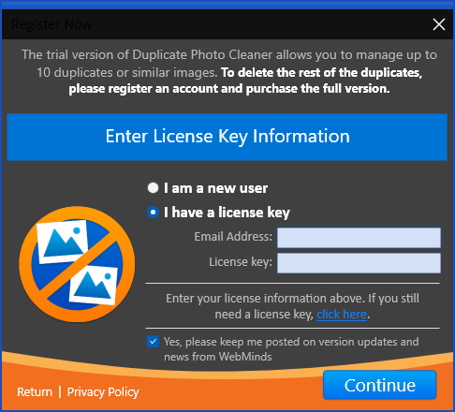 [David] As far as Activate is concerned, I have described it briefly and then referred the reader to the Activating section. [Pavel] That’s not enough. As I said, you should mention the Activate button, as well as the following screens in Chapter 4: Add this screenshot in chapter 4 and tell some words about it | I have handled this in a very detailed fashion keeping in mind a ll use cases in mind. 1. Chapter 2, the table describes label 3 briefly, discusses the 10-item clean limitation, and also includes reference to Registration and Activation sections. 2. Section 3.2 describes the registration process in detail and also includes process steps of the radio button flip which I have described adequately. 3. Chapter 4 specifically deals with Activatation of a license key does not describe registration. The idea here is to Keep it Simple & Stupid basis the KISS principle. Let me know if you are okay with this description. Please do not hesitate to share improvements in case you still have any with reference to this point. | RESOLVED | FIXED
20.2 | 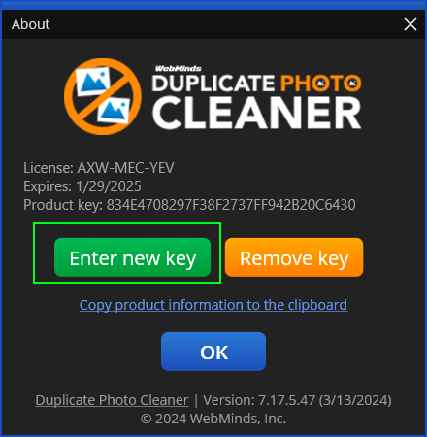 Also, let users know that they can add a new license even the app is activated already. For this, they need to click on “Enter new key” button. | Added Chapter 3 - Entering a New Key to describe this process flow in detail. Let me know if you are okay with this description. Please do not hesitate to share improvements in case you still have any with reference to this point. | RESOLVED | FIXED
20.3 | [Pavel] As per your questions: [David] Are the license details getting delivered like push notifications like an OTP instantaneously ? [Pavel] NO [David] Isn't email communication asynchronous and doesn't it take some time to deliver ? [Pavel] YES [David] If the receipt of license details is not instantaneous, the user is simply going to close this screen and explore the application. We can't expect the user to stare at I have a license key screen till he / she receives the license details and twiddle their thumbs. I really don't understand the thought behind having this functionality here. [Pavel] This is because you are thinking about a new user who is registering for the first time. And now think about an already registered user who already has a license key and needs to reactivate the application on another PC. In this case, the user does not need to register at all. | Yes, you are right, in this case the user will go ahead and utilize Chapter 4 Process flow to activate his / her existing & already registered license key. | RESOLVED | FIXED
20.4 | [David] Also, Pierre has asked me to keep the user manual content least technical while you are asking me to describe MTP. I don't think the purpose of the user manual is to teach this technical stuff to the user esp. when I have been asked explicitly to keep the content least technical. [Pavel] I'm not asking you to describe MTP. I have provided a source where you can find information to better understand what it is. This is for you personally. And once you have a better understanding of what MTP is, you'll add more precise information to the document (meaning what MTP devices are and giving some examples). Also, our product can be used by IT professionals, so adding text like “Mobile SmartScan can scan not only your smartphone, camera, etc., but also any MTP-compatible device” will be very useful. | I have tried to be as non-technical as possible so that it is easy for the users to understand MTP and the related devices especially in the Mobile SmartScan section. | RESOLVED | FIXED
20.5 | [David] My question to you here is, will the user entering a new key require registering before activation? [Pavel] As I already said, the answer is no. No registration required if user have a license key already. | Thanks, this clarifies all the Use Cases of License Key registration, activation, removal, reactivation on a another machine, as well as En tering a new Key. | RESOLVED | FIXED
21 | Folder comparison scan – we need to explain users what are the source folders vs what are the target folders. A feature of the source folders is that files in these folders are treated as originals, thus being protected from delete/move operations. As you probably noticed, protected (original) files are displayed in green in the results and you cannot select them to delete or move: | I have duly described this in step 6 in the Folder Comparison scan process Flow. Let me know if you are okay with this description. Please do not hesitate to share improvements in case you still have any with reference to this point. | RESOLVED | FIXED
22 | Picasa scan: please make sure you are using correct name without double “s” – Picasa | I have duly updated this globally throughout the document per your comments. | RESOLVED | FIXED
23 | We need to inform users that not all features are available in Picasa scan (please check yourself by playing with it). For example, there are no Move and Link buttons in the scan results (see below), so please remove them from your copy-pasted images. |  | RESOLVED | FIXED
23.1 | 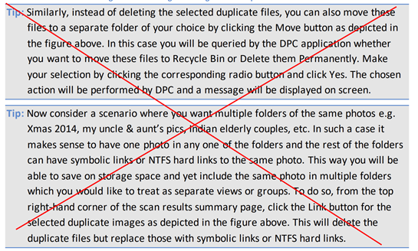 Also, please remove the inappropriate tips from this chapter. | Removed these Tips per your comments but I replaced them with a reference to section 2.3.7 - Scan Details Page Actions Menu Descriptions wherein each button has been described in detail. The deviations in Mobile SmartScan, Picasa scan, & Lightroom Classic scan are noted at step 7 in each chapter. | RESOLVED | FIXED
24 | Lightroom Classic scan – same as above, we need to inform users that not all features are available in this scan mode. For example, there are no Move and Link buttons in the scan results (see below), so please remove them from your copy-pasted images. | The deviations in Mobile SmartScan, Picasa scan, & Lightroom Classic scan are noted at step 7 in each chapter. There is a figure of this actions menu in each of these sections and a Tip just below the image, to note which of the buttons are missing and why. Alsoa referencfe to the section 2.3.7 navigates the user to the content where the available buttons are described in detail. | RESOLVED | FIXED
24.1 | 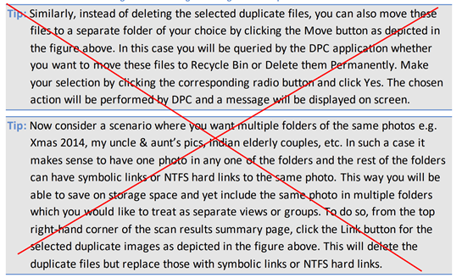 Also, please remove the inappropriate tips from this chapter. | Removed these Tips per your comments but I replaced them with a reference to section 2.3.7 - Scan Details Page Actions Menu Descriptions wherein each button has been described in detail. The deviations in Mobile SmartScan, Picasa scan, & Lightroom Classic scan are noted at step 7 in each chapter. | RESOLVED | FIXED
24.2 |  PaintShop Pro scan – same as above, we need to inform users that not all features are available in this scan mode. For example, there are no Move and Link buttons in the scan results (see below), so please remove them from your copy-pasted images. | Removed these Tips per your comments but I replaced them with a reference to section 2.3.7 - Scan Details Page Actions Menu Descriptions wherein each button has been described in detail. The deviations in Mobile SmartScan, Picasa scan, & Lightroom Classic scan are noted at step 7 in each chapter. | RESOLVED | FIXED
25 | Fragment Search scan – we need to provide more details to users. This scan mode is very similar to Folder Comparison scan, but uses a single file as a source. It can be used to search a whole image or just a selected part of it. For the whole image you can use Similarity threshold as usual, but when searching for a selected fragment you should set the similarity threshold to 100%. For better user experience, additional buttons added below the source image: lets user to quickly select the whole image for search lets user to reset selection by placing the selection rectangle in a predefined area. | I have duly incorporated your comments. Let me know if you are okay with this description. Please do not hesitate to share improvements in case you still have any with reference to this point. | RESOLVED | FIXED
26 | Fragment Search scan – please use correct word “whole” instead of “while” | This is supposed to be Select whole image. Corrected. | RESOLVED | FIXED
27 | 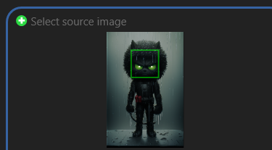 Fragment Search scan – the selection rectangle is actually green and not yellow | I have duly incorporated your comments. Let me know if you are okay with this description. Please do not hesitate to share improvements in case you still have any with reference to this point. | RESOLVED | FIXED

